Sheet2
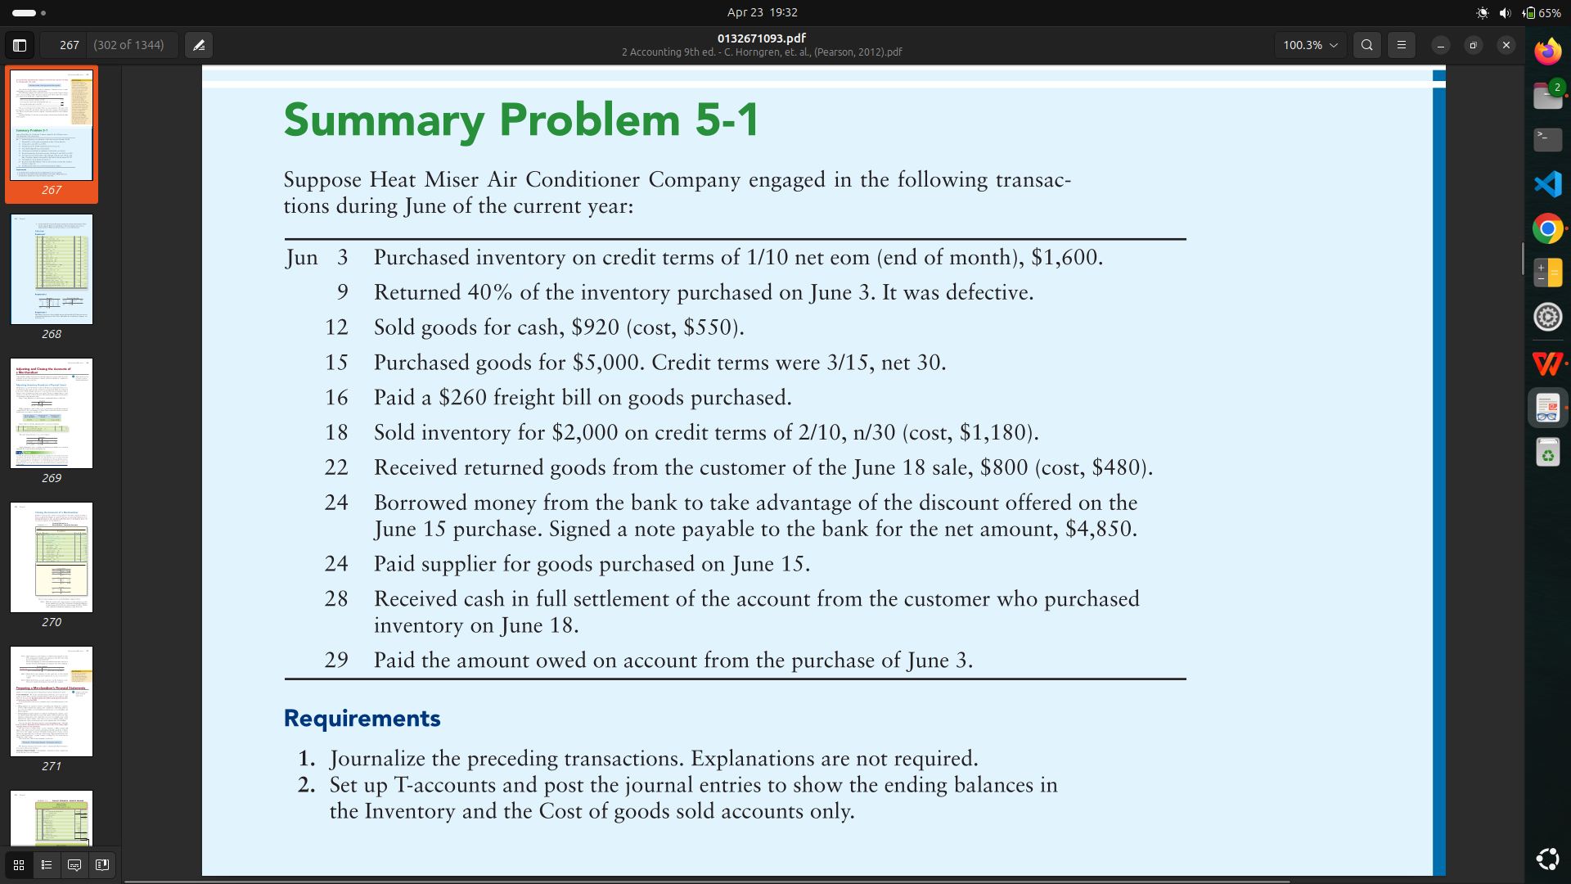
Date | Accounts | Dr | Cr | Inventory
2025-06-03 | Inventory | 1600 |  | Date | Dr | Cr
 | acc payable |  | 1600 | 2025-06-03 | 1600
 |  |  |  | 2025-06-09 |  | 640
9 | Acc payable | 640 |  | 2025-06-12 |  | 550
 | Inventory |  | 640 | 2025-06-15 | 5000
 |  |  |  | 2025-06-16 | 260
12 | Cash | 920 |  | 2025-06-18 |  | 1180
 | sales revenue |  | 920 | 2025-06-22 | 480
 |  |  |  | 2025-06-24 |  | 150
12 | cost of good sold | 550
 | Inventory |  | 550 | Total | 7340 | 2520
 |  |  |  | Bal | 4820
15 | Inventory | 5000
 | acc payable |  | 5000

16 | Inventory | 260 |  | Cost of goods sold
 | cash |  | 260 | Date | Dr | Cr
 |  |  |  | 2025-06-12 | 550
18 | Acc receivable | 2000 |  | 2025-06-18 | 1180
 | sales revenue |  | 2000 | 2025-06-22 |  | 480

18 | cost of good sold | 1180
 | Inventory |  | 1180 | Total | 1730 | 480
 |  |  |  | Bal | 1250
22 | Sales return & allowance | 800
 | Acc receivable |  | 800

22 | Inventory | 480
 | cost of good sold |  | 480

24 | Cash | 4850
 | Note payable |  | 4850

24 | Acc payable | 5000
 | Cash |  | 4850
 | Inventory |  | 150

28 | Cash | 1176
 | Sales discount | 24
 | Acc receivable |  | 1200

29 | Acc payable | 960
 | cash |  | 960

